Tosca
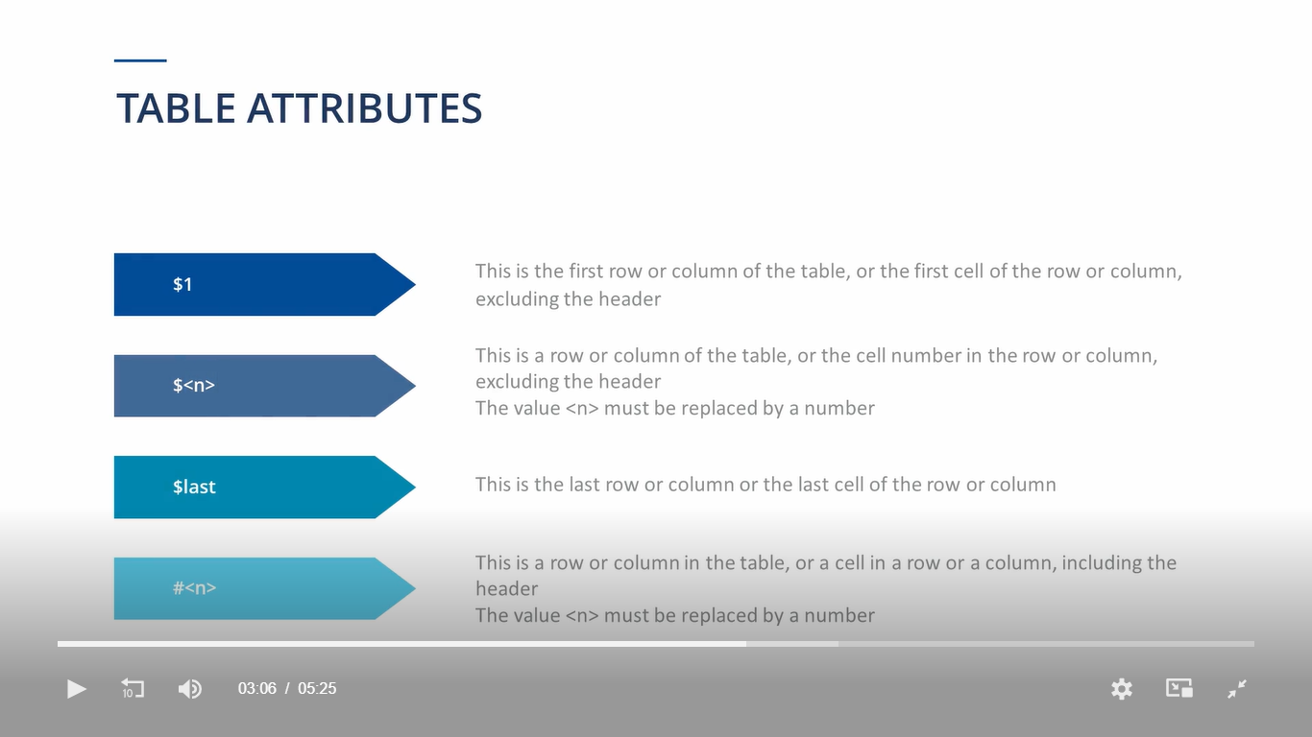
SI No. | Action modes | Description
 | Select | passive action mode Used to navigate table or drop down menus
 | Verify | The purpose of a Test case is always to verify or check certain values and controls
 | WaitOn | use the action mode waitOn instead of static waits to decrese the overall execution time.

 | Settings | project > settings > engine > waitOn

1 | Caption changes in Module properties - Done
2 | Find:Popup - naming convention {REGEX["Find:]} - Done
3 | Naming conventions - Done
 | Review / InProgress/Approved
 | Use TCD
 | Use T-code name for test step folder - Done
 | take screenshot - After entering data and on failure - Done
 | Doku Snapper enabled - screenshot will be taken for each step - Done
 | Test data service
 | Put the test case also in the folder - Done
 | TCP implementation - Done

